Sub Task 1_Full bikes list
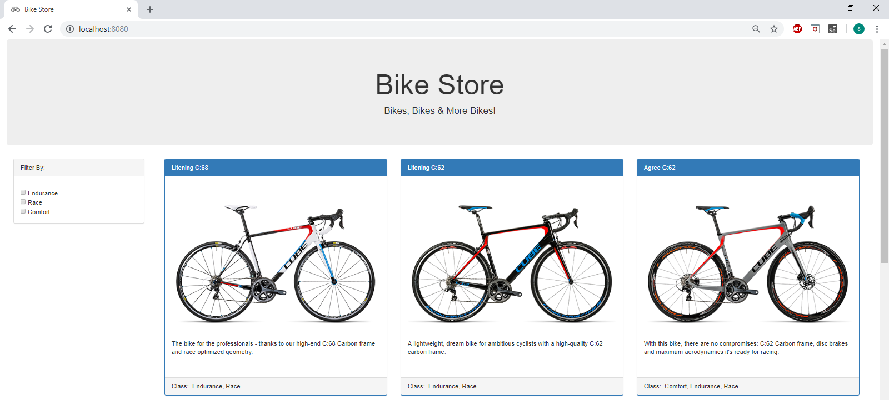
Sub Task 1: I would like to see a list/grid of bikes based on /app/bikes.json

Test Results:
1 | User is able to open the Bike Store Page in localhoost
2 | User is able to view all bikes are displayed in list/grid in proper order without distortion, along with all details.
3 | User has an option to filter bikes based on class which is visible on left side of the page
4 | User is able to see Bike Store heading displayed properly

Sub Task 2_Bikes details
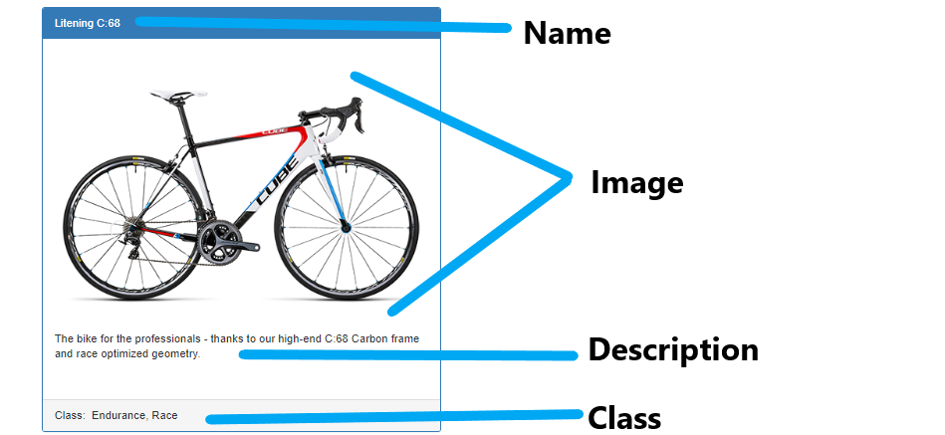
Sub Task 2: I would like to see a the name, an image, a description and the class for each bike

Test Results:
1 | User is able to see bike name, bike image, bike description and bike class for each bike. Please find below sample screenshot for a bike.

Sub Task 3_Sort by class
Sub Task 3: I would like to be able to sort the bikes into a custom order based on class

Test Results:
1 | User has an option to filter based on bike class. This filter option is visible on left side of the page.

Scenario 1: User is able to filter bikes with class as "Endurance"
Result: 6 Bikes are displayed for class "Endurance" as in below screenshot

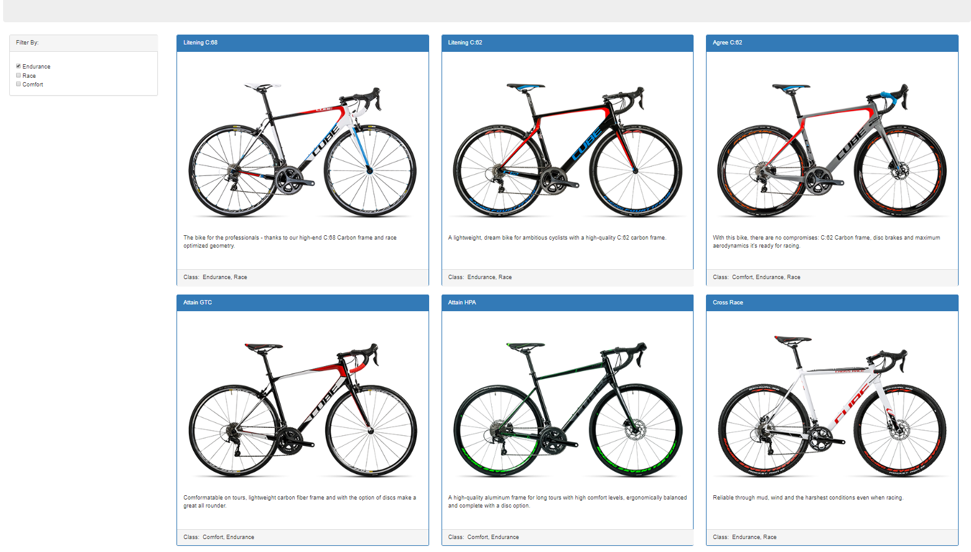

Scenario 2: User is able to filter bikes with class as "Race"
Result: 4 Bikes are displayed for class "Race" as in below screenshot

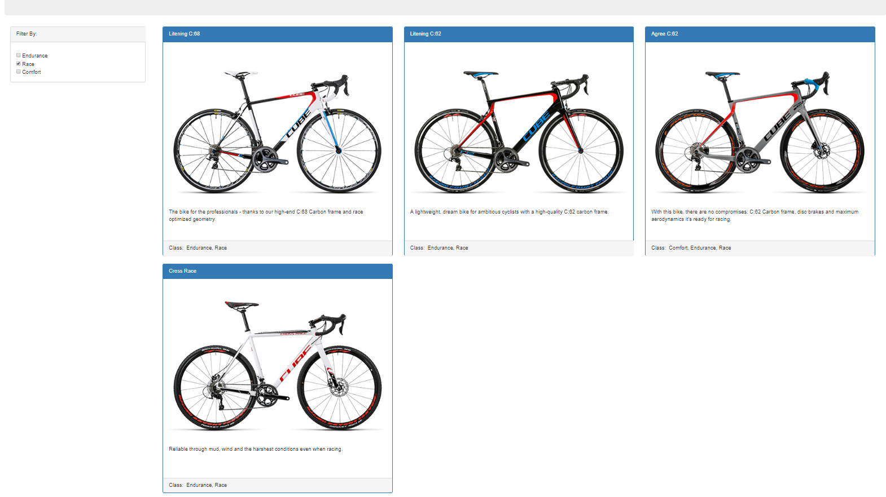

Scenario 3: User is able to filter bikes with class as "Comfort"
Result: 4 Bikes are displayed for class "Comfort" as in below screenshot

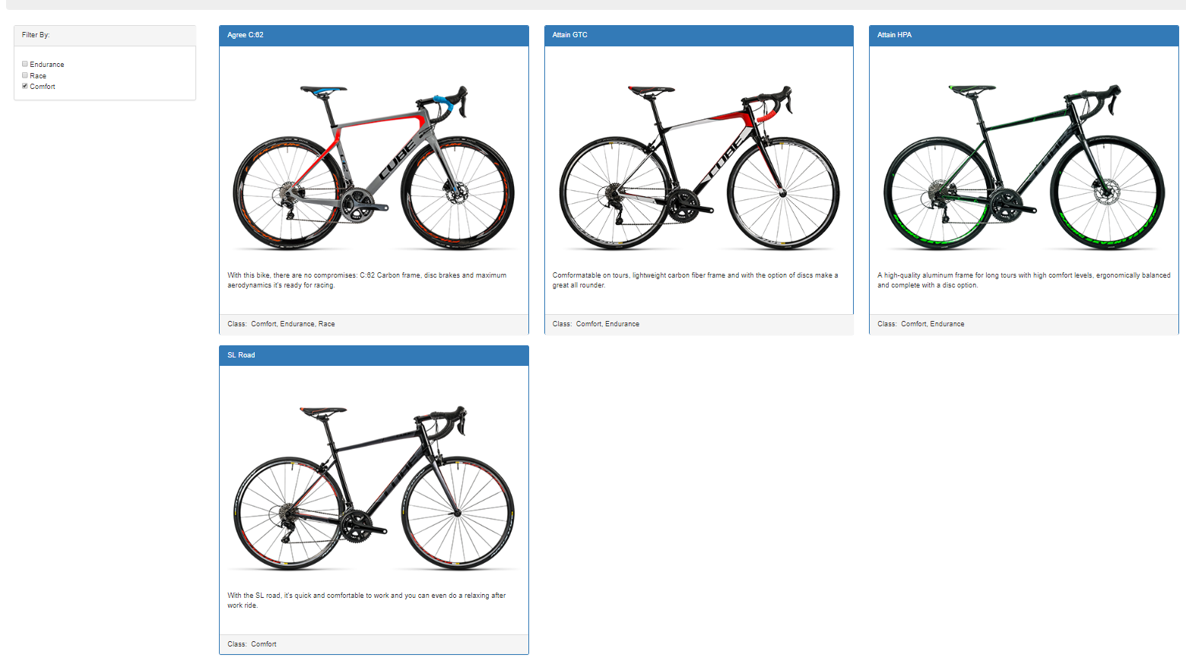

Scenario 4: User is able to filter bikes with combination of 2 classes "Endurance" and "Race"
Result: 4 Bikes are displayed for classes "Endurance" and "Race" as in below screenshot

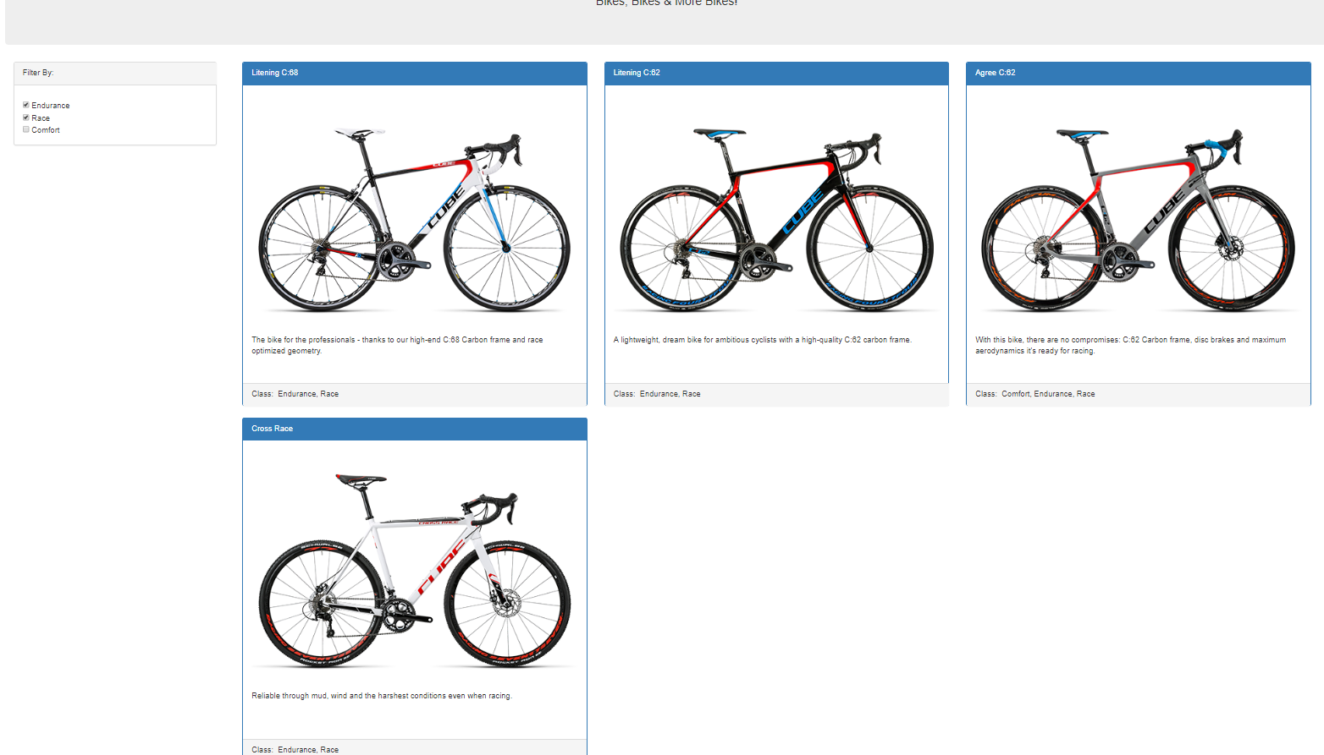

Scenario 5: User is able to filter bikes with combination of 2 classes "Endurance" and "Comfort"
Result: 3 Bikes are displayed for classes "Endurance" and "Comfort" as in below screenshot

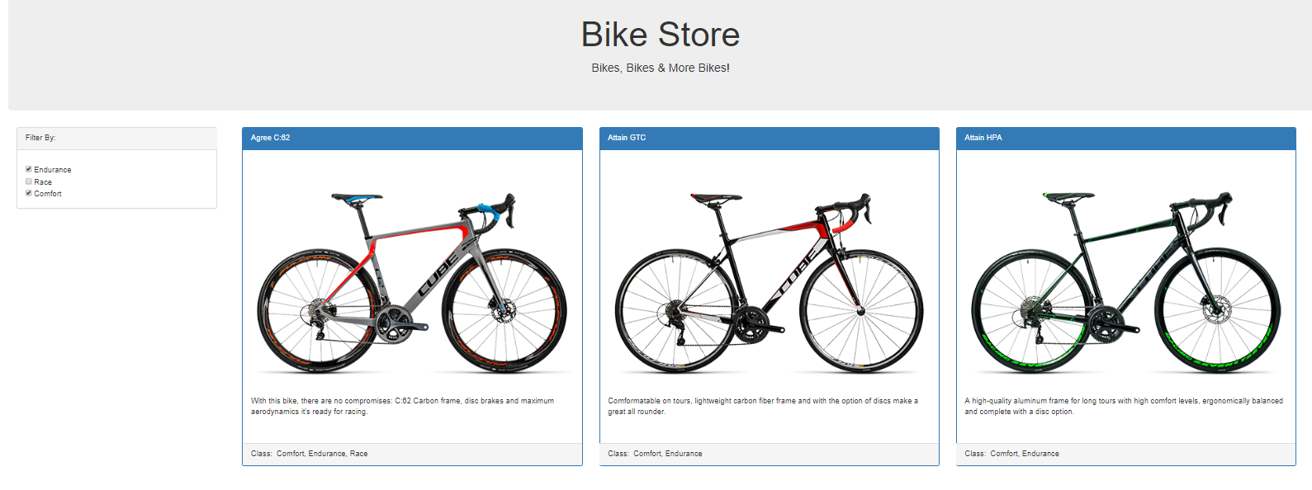

Scenario 6: User is able to filter bikes with combination of 2 classes "Race" and "Comfort"
Result: 1 Bike is displayed for classes "Race" and "Comfort" as in below screenshot

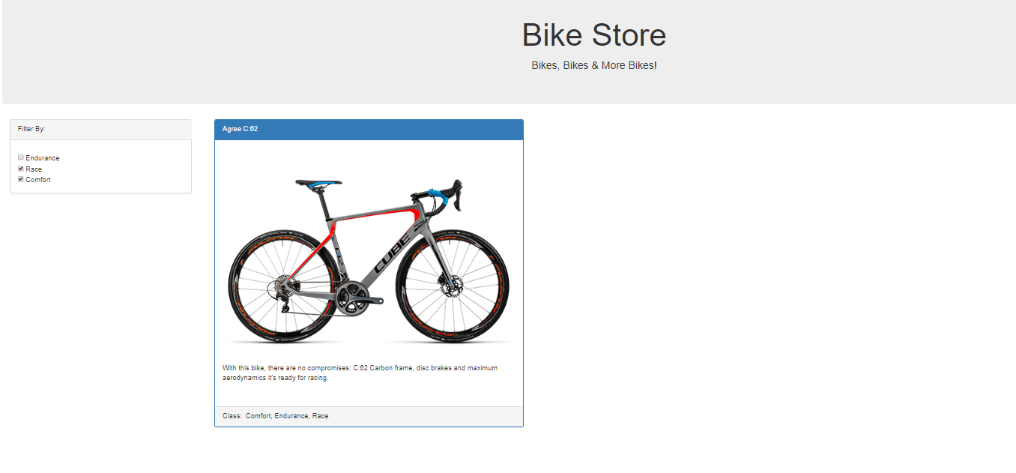

Scenario 7: User is able to filter bikes with combination of all 3 classes "Endurance", "Race" and "Comfort"
Result: 1 Bike is displayed for combination of all 3 classes "Endurance", "Race" and "Comfort" as in below screenshot

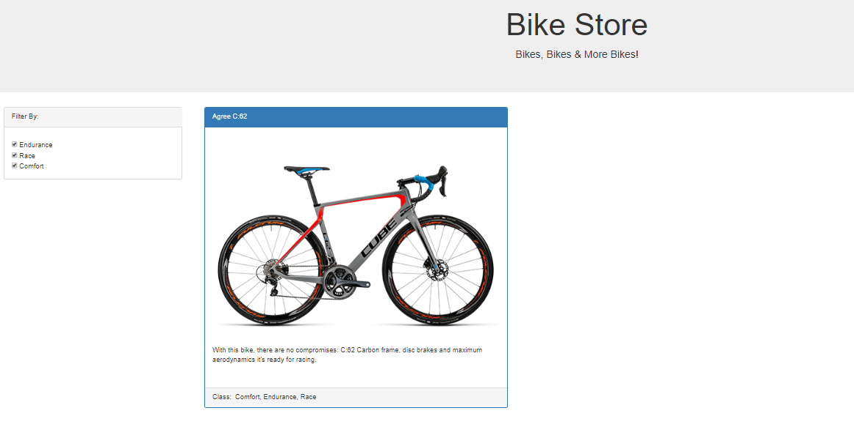

Scenario 8: User is able to see all bikes if nothing is selected in filter
Result: All 7 Bikes are displayed if nothing is filtered

Sub Task 4_Refresh
Sub Task 4: I would like my custom order to be saved and not change when I refresh the page

Scenario 1: User to select all 3 classes and refresh the browser
Before Refresh

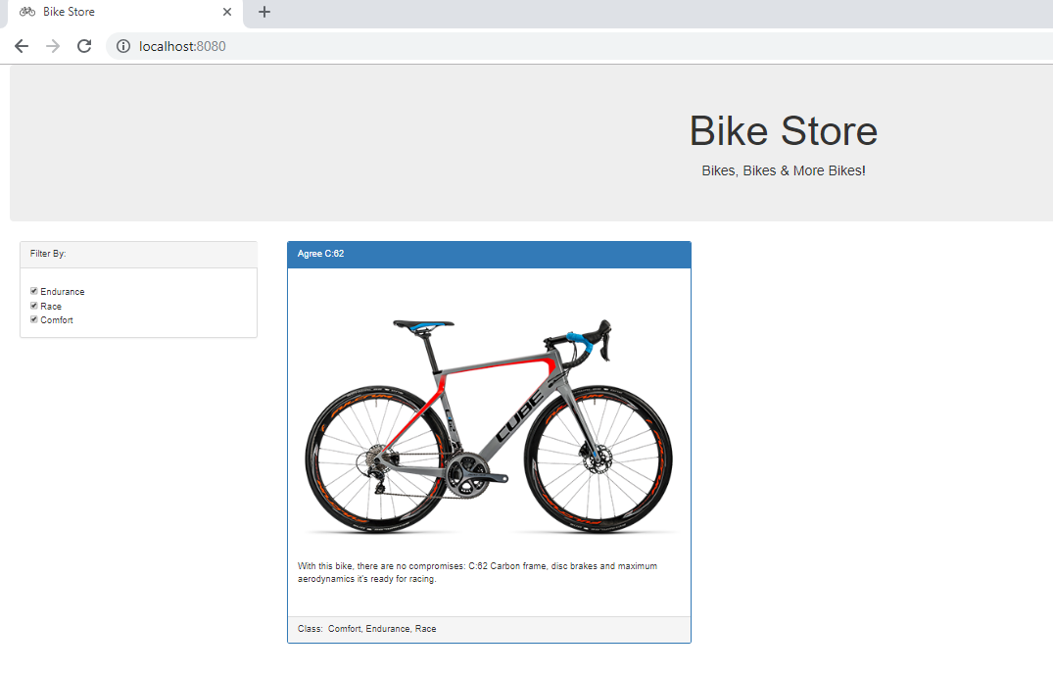

After Refresh. User choices not changed after page refresh and same bike is diplayed

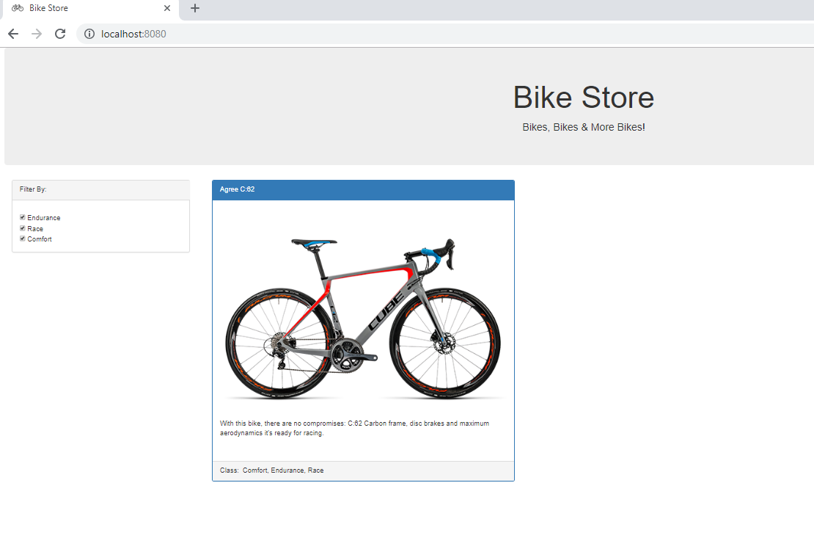

Scenario 2: User to select all classes "Endurance" and "Comfort" and refresh the browser
Before Refresh

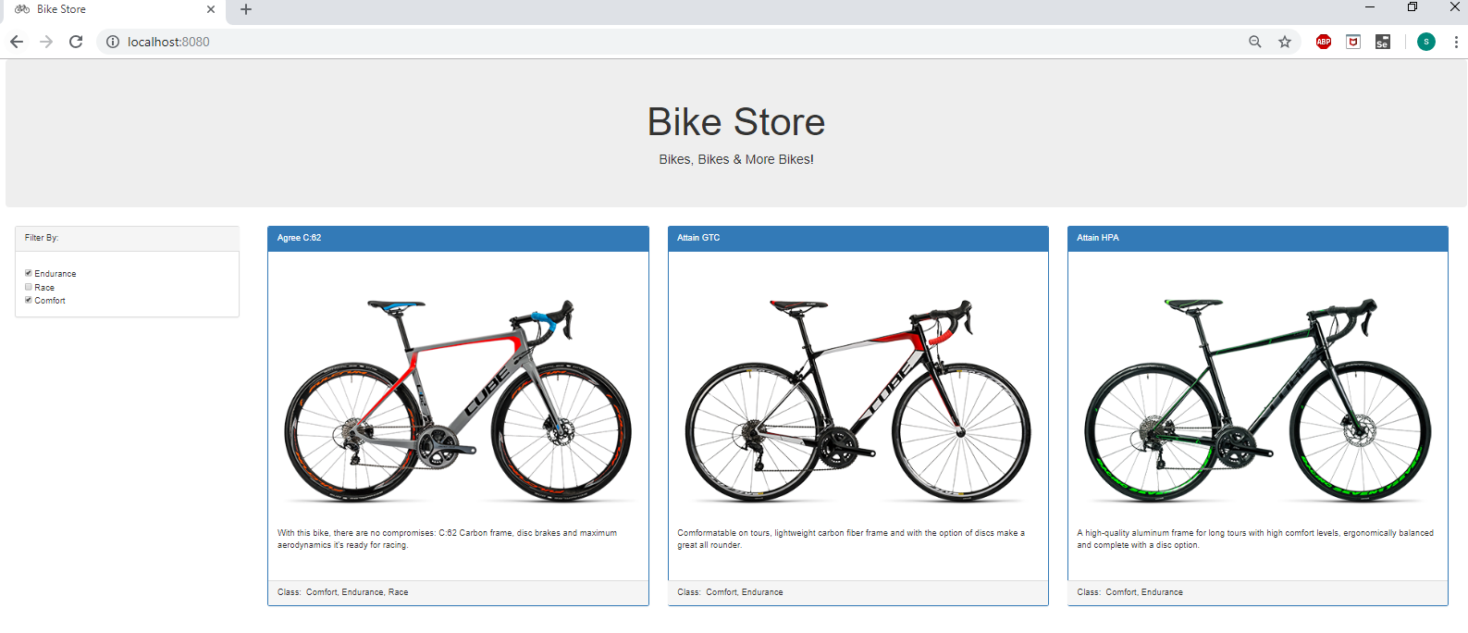

After Refresh. User choices not changed after page refresh and same 3 bikes are diplayed

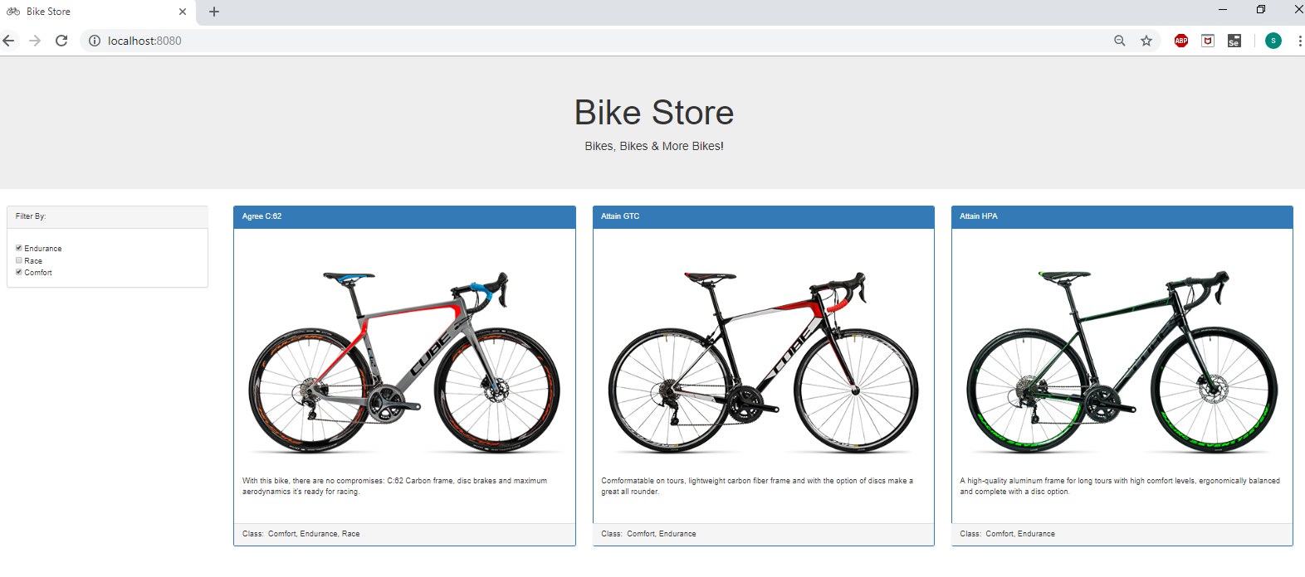

This Refresh test can be done on all 8 Scenarios mentioned in Sub Task 3.

Sub task 5_Load Bikes Json
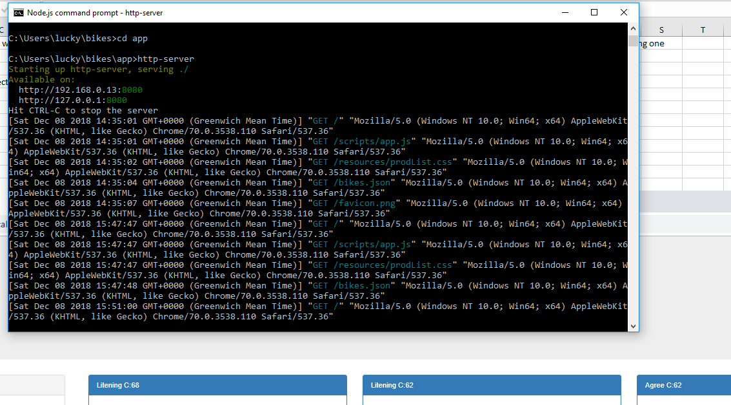
Sub Task 5: A JSON object with all the relevant bike data is available at https://jujhar.com/bikes.json; feel free to call that URL directly from your page or host it on your server if you're using one

Test Results
1 | Bikes Json object is loaded by serving the bikes application using Node JS

